Social Media Impact
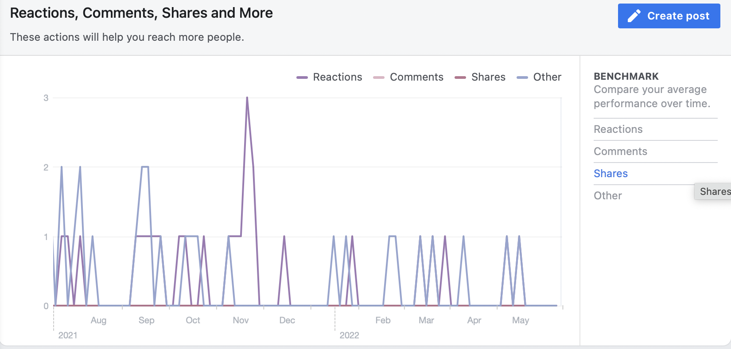
Social Media Impact
 | Twitter | Facebook | LinkedIn | Instagram | YouTube | MailChimp
Total Followers or Subscibers | 584 | 116 | 165 | 49 | 2,165 | 460
Average Monthly Reach/Views | 7,573 | 34 | 199 | 412 | 27,000 | 140

This table shows the number of followers and the average monthly reach and viewership of posts across all of the social media and marketing platforms from July 2021 to May 2022.

This table shows the total number of video views, total video watch time (hours), total new subscribers, and total impressions (how many times video thumbnails were shown to viewers) on YouTube from July 2021 - May 2022.

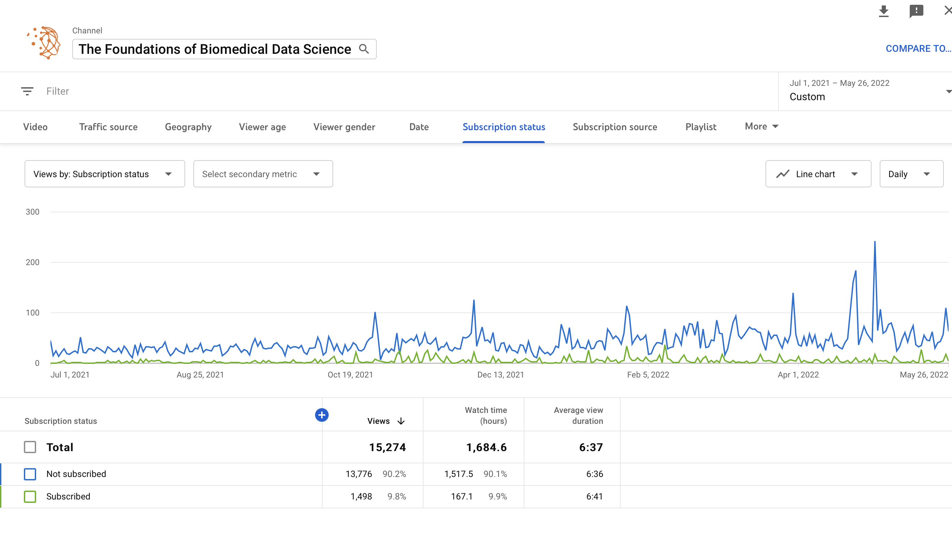

 |  |  |  |  |  |  | This graph shows the average number of reactions, comments, and shares on Facebook from July 2021 - May 2022.

This graph compares the total number of video views from YouTube Channel Subscribers vs YouTube Channel Non-Subscribers from July 2021 - May 2022.

Twitter Impressions
Tweet Impressions
Jul | 13,200
Aug | 5,412
Sep | 7,415
Oct | 6,324
Nov | 8,587
Dec | 2,533
Jan | 24,000
Feb | 6,236
Mar | 4,929
Apr | 3,046
May | 1,622
This table shows the total monthly Tweet Impressions (total tally of all the times Tweets have been seen) from July 2021 to May 2022.

